Pat Table
New data | # | Object Floating (F) x Wrack (W) x Sinking (S) |  |  |  |  |  |  |  | Locality |  |  |  |  | Species
 | NUMBER | Colection | Name ID | OSPAR ID 100m | Material | Shape | Size L x W x H | Weight (Kg) | Area | Date | NAME | DMS | GPS | Island | Number S | Phylum | Name | Abundance | NUMBER
 | 1 | F1 | Buoy | 37 | Plastic | Circular Ring | 77 x 17 cm |  |  | 2014-01-21 |  | N32 35 22 W16 48 37 | N 32 35.367 W 16 48.630 | Mad | 2 | Arthropoda | Lepas anatifera | >1000 | 1
 |  |  |  |  |  |  |  |  |  |  |  |  |  |  | 2 | Mollusca | Fiona pinnata | 72
 | 2 | F2 | Buoy | 37 | Styrofoam | Cilindrical | 50 x 25 cm |  |  | 2014-04-05 |  | N32 36 23 W16 30 53 | N 32 36.383 W 16 30.883 | Mad | 3 | Arthropoda | Lepas anatifera | 10 | 2
 |  |  |  |  |  |  |  |  |  |  |  |  |  |  | 3 | Arthropoda | Planes minutus | 1
 |  |  |  |  |  |  |  |  |  |  |  |  |  |  | 3 | Cnidaria | Obelia hyalina
 | 3 | F3 | Net | 116 | Plastic | Irregular | 60cm |  |  | 2014-04-18 |  | N32 36 23 W16 30 53 | N 32 36.383 W 16 30.883 | Mad | 1 | Arthropoda | Lepas anatifera | 29 | 3
 |  | F4 | Cable | 31 | Rope | Circular | 300 | 1.2 |  | 2014-04-18 |  | N32 36 23 W16 30 53 | N 32 36.383 W 16 30.883 | Mad | 1 | Arthropoda | Lepas anatifera | >100
 |  | F5 | Pink Buoy | 37 | Plastic | Circular | 50 x 40 cm | 3.5 |  | 2014-04-18 |  | N32 36 23 W16 30 53 | N 32 36.383 W 16 30.883 | Mad | 1 | Arthropoda | Lepas anatifera | 68
 |  | F6 | White Buoy | 37 | Styrofoam | Cilindrical | 31 x 16 cm | 0.35 |  | 2014-04-18 |  | N32 36 23 W16 30 53 | N 32 36.383 W 16 30.883 | Mad | 1 | Arthropoda | Lepas anatifera | 26
 |  | F7 | Styrofoam | 37 | Styrofoam | Irregular | 30 x 30cm |  |  | 2014-04-18 |  | N32 36 23 W16 30 53 | N 32 36.383 W 16 30.883 | Mad | 1 | Arthropoda | Lepas anatifera | >100
 | 4 | F8 | Buoy | 37 | Styrofoam | Cilindrical | 32 x 16 cm | 0.77 |  | 2014-05-05 |  | N32 37 20 W17 01 30 | N 32 37.333 W 17 01.500 | Mad | 1 | Arthropoda | Lepas anatifera | >100 | 4
 | 5 | F9 | Buoy | 37 | Plastic | Cilindrical | 60 x 40 cm |  |  | 2014-06-18 |  | N32 37 56 W16 49 23 | N 32 37.933 W 16 49.383 | Mad | 4 | Arthropoda | Lepas anatifera | >200 | 5
 |  |  |  |  |  |  |  |  |  |  |  |  |  |  | 4 | Arthropoda | Planes minutus | 6
 |  |  |  |  |  |  |  |  |  |  |  |  |  |  | 4 | Arthropoda | Ammonthella longipes | 3
 |  |  |  |  |  |  |  |  |  |  |  |  |  |  | 4 | Mollusca | Fiona pinnata | 5
 | 6 | F10 | Container | 8 | Plastic | Rectangular | 23 x 12.5 cm |  |  | 2014-06-25 |  | N32 39 11 W16 40 57 | N 32 39.183 W 16 40.950 | Mad | 2 | Arthropoda | Lepas anatifera | >100 | 6
 |  |  |  |  |  |  |  |  |  |  |  |  |  |  | 2 | Arthropoda | Planes minutus | 1
 | 13 | F11 | Rope | 32 | Nylon | Cilindrical | 200 cm |  |  | 2015-04-30 |  | N32 36 49 W 17 01 31 | N 32 36.817 W 17 01.517 | Mad | 5 | Arthropoda | Lepas anatifera | >1000 | 13
 |  |  |  |  |  |  |  |  |  |  |  |  |  |  | 5 | Polychaete | Hipponoe gaudichaudi | >40
 |  |  |  |  |  |  |  |  |  |  |  |  |  |  | 5 | Arthropoda | Planes minutus | >30
 |  |  |  |  |  |  |  |  |  |  |  |  |  |  | 5 | Mollusca | Fiona pinnata | <10
 |  |  |  |  |  |  |  |  |  |  |  |  |  |  | 5 | Sipunculidae | Phascolosoma stephensoni | 1
 | 13 | F12 | Buoy | 37 | Plastic | Cilindrical | 70 x 25 cm | 2.834 |  | 2016-04-30 |  | N32 36 49 W17 01 31 | N 32 36.817 W 17 01.517 | Mad | 5 | Bryozoa | Membranipora membranacea | 548 cm2 | 13
 |  |  |  |  |  |  |  |  |  |  |  |  |  |  | 5 | Polychaete | Hipponoe gaudichaudi | 5
 |  |  |  |  |  |  |  |  |  |  |  |  |  |  | 5 | Arthropoda | Lepas anatifera | >100
 |  |  |  |  |  |  |  |  |  |  |  |  |  |  | 5 | Arthropoda | Planes minutus | 4
 |  |  |  |  |  |  |  |  |  |  |  |  |  |  | 5 | Mollusca | Fiona pinnata | 3
 | 14 | F13 | Buoy | 37 | Plastic | Circular | 20 cm | 1.7 |  | 2016-05-13 |  | N32 25 45 W17 00 54 | N 32 25.750 W 17 00.900 | Mad | 6 | Arthropoda | Lepas anatifera | 54 | 14
 |  |  |  |  |  |  |  |  |  |  |  |  |  |  | 6 | Cnidaria | Cnidaria sp.
 |  |  |  |  |  |  |  |  |  |  |  |  |  |  | 6 | Bryozoa | Jellyela tuberculata | 170 cm2
 |  |  |  |  |  |  |  |  |  |  |  |  |  |  | 6 | Cnidaria | Ventroma halicioides
 |  |  |  |  |  |  |  |  |  |  |  |  |  |  | 6 | Cnidaria | Obelia hyalina
 |  | F14 | White bottle | 4 | Plastic | Cilindrical | 20 x 7 cm | 0.236 |  | 2016-05-13 |  | N32 25 45 W17 00 54 | N 32 25.750 W 17 00.900 | Mad | 1 | Arthropoda | Lepas anatifera | 17
 |  | F15 | Green bottle | 4 | Plastic | Cilindrical | 20 x 7 cm | 0.042 |  | 2016-05-13 |  | N32 25 45 W17 00 54 | N 32 25.750 W 17 00.900 | Mad | 2 | Cnidaria | Ventroma halicioides
 |  |  |  |  |  |  |  |  |  |  |  |  |  |  | 2 | Cnidaria | Aiptasia diaphana | 16
 | 14 | F16 | Rope | 31 | Nylon | Cilindrical | 60 m | 5.5 |  | 2016-05-13 |  | N32 25 45 W17 00 54 | N 32 25.750 W 17 00.900 | Mad | 11 | Arthropoda | Planes minutus | 80 | 14
 |  |  |  |  |  |  |  |  |  |  |  |  |  |  | 11 | Arthropoda | Lepas anatifera | >1000
 |  |  |  |  |  |  |  |  |  |  |  |  |  |  | 11 | Arthropoda | Caprella andreae | >3000
 |  |  |  |  |  |  |  |  |  |  |  |  |  |  | 11 | Mollusca | Stramonita haemostoma | 6
 |  |  |  |  |  |  |  |  |  |  |  |  |  |  | 11 | Mollusca | Neopycnodonte cochlear | 2
 |  |  |  |  |  |  |  |  |  |  |  |  |  |  | 11 | Spinculidae | Phascossoma stenphensoni | 4
 |  |  |  |  |  |  |  |  |  |  |  |  |  |  | 11 | Polychaete | Nereid sp. | 3
 |  |  |  |  |  |  |  |  |  |  |  |  |  |  | 11 | Polychaete | Hipponoe gaudichaudi | 1
 |  |  |  |  |  |  |  |  |  |  |  |  |  |  | 11 | Polychaete | Spirorbranchius triqueter | 3
 |  |  |  |  |  |  |  |  |  |  |  |  |  |  | 11 | Tunicata | Styela sp | 4
 | 22 | F17 | Black Buoy | 37 | Plastic | Cilindrical | 52 x 25 cm | 1.772 |  | 2016-06-24 |  | N32 35 14 W16 57 30 | N 32 35.233 W 16 57.500 | Mad | 2 | Arthropoda | Lepas anatifera | 364 | 22
 |  |  |  |  |  |  |  |  |  |  |  |  |  |  | 2 | Arthropoda | Caprella andreae | ~2750

 | 22 | F18 | Rope | 31 | Nylon | Cilindrical | 13 m | 24.434 |  | 2016-06-24 |  | N32 35 14 W16 57 30 | N 32 35.233 W 16 57.500 | Mad | 6 | Arthropoda | Lepas anatifera | 13200 | 22
 |  |  |  |  |  |  |  |  |  |  |  |  |  |  | 6 | Arthropoda | Caprella andreae | <50
 |  |  |  |  |  |  |  |  |  |  |  |  |  |  | 6 | Arthropoda | Planes minutus | >15
 |  |  |  |  |  |  |  |  |  |  |  |  |  |  | 6 | Polychaete | Hipponoe gaudichaudi | 2
 |  |  |  |  |  |  |  |  |  |  |  |  |  |  | 6 | Bryozoa | Jellyela tuberculata
 |  |  |  |  |  |  |  |  |  |  |  |  |  |  | 6 | Cnidaria | Obelia hyalina

No foto | 29 | F19 | Buoy + Tube | 37 | Plastic | Cilindrical | Buoy 34 x 17 Tube 156 x 3.5 cm | 1.65 |  | 2016-06-26 |  | N32 36 31 W16 53 02 | N 32 36.517 W 16 53.033 | Mad | 6 | Arthropoda | Lepas anatifera | 300 | 29
 |  |  |  |  |  |  |  |  |  |  |  |  |  |  | 6 | Polychaete | Hipponoe gaudichaudi | 1
 |  |  |  |  |  |  |  |  |  |  |  |  |  |  | 6 | Arthropoda | Caprella andreae | >50
 |  |  |  |  |  |  |  |  |  |  |  |  |  |  | 6 | Mollusca | Fiona pinnata | 4
 |  |  |  |  |  |  |  |  |  |  |  |  |  |  | 6 | Bryozoa | Jellyela tuberculata
 |  |  |  |  |  |  |  |  |  |  |  |  |  |  | 6 | Cnidaria | Obelia hyalina

 | 40 | F20 | Plastic Tray | 34 | Plastic | Rectangular | 77 x 49 x 12 cm | 2.71 |  | 2016-08-07 |  | N32 24 00 W17 15 58 | N 32 24.011 W 17 15.983 | Mad | 2 | Arthropoda | Lepas anatifera | ~5000 | 40
 |  |  |  |  |  |  |  |  |  |  |  |  |  |  | 2 | Polychaete | Spirobranchius triqueter | 15

 | 41 | F21 | Tangled Ropes | 32 | Plastic | Cilindrical | 50 m | 5.432 |  | 2016-08-08 |  | N32 31 38 W16 55 32 | N 32 31.633 W 16 55.533 | Mad | 9 | Mollusca | Bittium latreillii | 40 | 41
 |  |  |  |  |  |  |  |  |  |  |  |  |  |  | 9 | Arthropoda | Planes minutus | 50
 |  |  |  |  |  |  |  |  |  |  |  |  |  |  | 9 | Arthropoda | Amphipodas sp. | 3000
 |  |  |  |  |  |  |  |  |  |  |  |  |  |  | 9 | Arthropoda | Ammonthella longipes | 30
 |  |  |  |  |  |  |  |  |  |  |  |  |  |  | 9 | Algae | Ulva
 |  |  |  |  |  |  |  |  |  |  |  |  |  |  | 9 | Algae | Anadyomene stellata
 |  |  |  |  |  |  |  |  |  |  |  |  |  |  | 9 | Polychaete | Nereid sp.

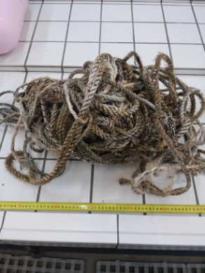
 | 42 | F22 | Tangled Ropes + Buoys | 32 | Plastic | Clinidrical | 40 m | 6.178 |  | 2016-08-11 |  | N32 34 20 W16 59 10 | N 32 34.333 W 16 59.167 | Mad | 8 | Mollusca | Mytilus galloprovincialis | 56 | 42 | JCC735
 |  |  |  |  |  |  |  |  |  |  |  |  |  |  | 8 | Mollusca | Pinna rudis | 1
 |  |  |  |  |  |  |  |  |  |  |  |  |  |  | 8 | Mollusca | Pinctada radiata | 1
 |  |  |  |  |  |  |  |  |  |  |  |  |  |  | 8 | Polychaete | Amphinome rostrata | 2
 |  |  |  |  |  |  |  |  |  |  |  |  |  |  | 8 | Crustacea | Planes minutus | < 60
 |  |  |  |  |  |  |  |  |  |  |  |  |  |  | 8 | Crustacea | Lepas anatifera | < 4000
 |  |  |  |  |  |  |  |  |  |  |  |  |  |  | 8 | Crustacea | Amphipods
 |  |  |  |  |  |  |  |  |  |  |  |  |  |  | 8 | Cnidaria | Obelia hyalina

 | 43 | F23 | Pink Buoy | 37 | Plastic | Cilindrical | 53 x 18 cm | 0.81 |  | 2016-08-11 |  | N32 34 20 W16 59 10 | N 32 34.339 W 16 59.174 | Mad | 1 | Crustacea | Lepas anatifera | 63 | 43

 | 44 | F24 | Black Buoy | 37 | Plastic | Cilindrical | 41 x 18 cm | 0.796 |  | 2016-08-11 |  | N32 34 20 W16 59 10 | N 32 34.339 W 16 59.174 | Mad | 1 | Crustacea | Lepas anatifera | 120 | 44

 | 45 | F25 | Black Yellow Buoy | 37 | Plastic | Cilindrical | 40 x 16 cm Pole 35 cm | 0.988 |  | 2016-08-11 |  | N32 34 20 W16 59 10 | N 32 34.339 W 16 59.174 | Mad | 1 | Crustacea | Lepas anatifera | 136 | 45

 | 46 | F26 | Blue Buoy | 37 | Plastic | Cilindrical | 38 x 21 cm | 1.196 |  | 2016-08-11 |  | N32 34 20 W16 59 10 | N 32 34.339 W 16 59.174 | Mad | 1 | Crustacea | Lepas anatifera | 150 | 46

 | 47 | F27 | White Buoy | 37 | Plastic | Cilindrical | 33 x 17 cm | 1.04 |  | 2016-08-11 |  | N32 34 20 W16 59 10 | N 32 34.339 W 16 59.174 | Mad | 1 | Crustacea | Lepas anatifera | 72 | 47

 | 48 | F28 | Green oil Container | 10 | Plastic | Rectangular | 44 x 26 x 24 cm | 1.556 |  | 2016-08-12 |  | N32 29 53 W16 59 51 | N 32 29.883 W 16 59.850 | Mad | 3 | Crustacea | Lepas anatifera | 35 | 48
 |  |  |  |  |  |  |  |  |  |  |  |  |  |  | 3 | Chordata | Seriola rivoliana | 2
 |  |  |  |  |  |  |  |  |  |  |  |  |  |  | 3 | Chordata | Seriola fasciata | 1

 | 49 | F29 | Log | 75 | Wood | Cilindrical | 5m | 0.686 | 10*10cm | 2016-08-06 | Cabo Girao | N32 36 20 W17 00 44 | N 32 36.334 W 17 00.742 | Mad | 1 | Crustacea | Lepas anatifera | 181 | 49

 | 50 | F30 | Plastic Bottom Bucket | 15 | Plastic | Circular | 19 cm diametro | 0.054 |  | 2016-08-19 |  | N32 37 54 W16 56 41 | N 32 37.900 W 16 56.683 | Mad | 2 | Crustacea | Lepas anatifera | 328 | 50
 |  |  |  |  |  |  |  |  |  |  |  |  |  |  | 2 | Crustacea | Balanus trigonous | <100

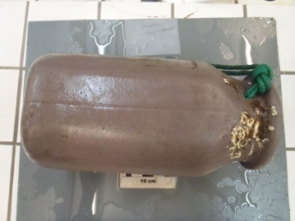
 | 51 | F31 | Octopus Container | 12 | Plastic | Rectangular | 32 x 16 cm | 0.3096 |  | 2016-08-22 |  | N32 38 14 W16 55 22 | N 32 38.233 W 16 55.367 | Mad | 5 | Crustacea | Lepas anatifera | <100 | 51
 |  |  |  |  |  |  |  |  |  |  |  |  |  |  | 5 | Crustacea | Balanus trigonous | 4
 |  |  |  |  |  |  |  |  |  |  |  |  |  |  | 5 | Crustacea | Crab | 2
 |  |  |  |  |  |  |  |  |  |  |  |  |  |  | 5 | Crustacea | Hyalidae sp. | >50
 |  |  |  |  |  |  |  |  |  |  |  |  |  |  | 5 | Polychaete | Pomatoceros triqueter | >50

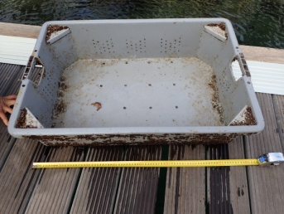
 | 57 | F32 | Oyster Box | 34 | Plastic | Rectangular | 80 x 52 x 21 | 4.2 |  | 2017-01-20 |  | N32 43 32 W16 16 41 | N 32 43.533 W16 16.683 | Mad | 11 | Arth | Lepas anatifera | >1000
 |  |  |  |  |  |  |  |  |  |  |  |  |  |  | 11 | Cnid | Ventroma halicioides
 |  |  |  |  |  |  |  |  |  |  |  |  |  |  | 11 | Mollus | Crasostreas gigasJ CC756 | 90
 |  |  |  |  |  |  |  |  |  |  |  |  |  |  | 11 | Arth | Planes minutusJ CC757 | >30
 |  |  |  |  |  |  |  |  |  |  |  |  |  |  | 11 | Alga | Lobophora sp.
 |  |  |  |  |  |  |  |  |  |  |  |  |  |  | 11 | Spinc | Phascossoma granulatumJ CC759 | >10
 |  |  |  |  |  |  |  |  |  |  |  |  |  |  | 11 | Alga | Ulva sp.JCC760
 |  |  |  |  |  |  |  |  |  |  |  |  |  |  | 11 | Arth | Amphipods
 |  |  |  |  |  |  |  |  |  |  |  |  |  |  | 11 | Cnid | Cnidaria sp. Like #18 tubes JCC761
 |  |  |  |  |  |  |  |  |  |  |  |  |  |  | 11 | Mollus | Bivalve sp volandeiraJCC762 | 1
 |  |  |  |  |  |  |  |  |  |  |  |  |  |  | 11 | Mollus | White round oyster JCC758 | 5
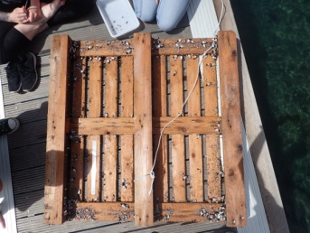
 | 58 | F33 | Palete | 69 | Wood | Rectangular | 114x 115 cm | 15 |  | 2017-03-31 | Caniçal | N32 43 35 E1 16 40 | N 32 43.583 W 16.667 | Mad | 5 | Arth | Lepas anatifera | >1000
 |  |  |  |  |  |  |  |  |  |  |  |  |  |  | 5 | Arth | Planes minutus | >50
 |  |  |  |  |  |  |  |  |  |  |  |  |  |  | 5 | Mollus | Fiona pinata | >100
 |  |  |  |  |  |  |  |  |  |  |  |  |  |  | 5 | Cnid | Ectopleura pharynx
 |  |  |  |  |  |  |  |  |  |  |  |  |  |  | 5 | Arth | Caprella anadreae

 | 59 | F34 | Broken Wrack | 34 | Plastic | Rectangular | 80 x 38 |  |  | 2017-07-31 | 10 milhas Pto Cruz | N32 49 33 E3 16 45 | N 32 49.550 W 16.750 | Mad | 6 | Arth | Lepas anatifera | >50
 |  |  |  |  |  |  |  |  |  |  |  |  |  |  | 6 |  | Unk JCC 773
 |  |  |  |  |  |  |  |  |  |  |  |  |  |  | 6 |  | Unk JCC 774
 |  |  |  |  |  |  |  |  |  |  |  |  |  |  | 6 | Cnid | Actinia equina | 1
 |  |  |  |  |  |  |  |  |  |  |  |  |  |  | 6 |  | Caprella sp.
 |  |  |  |  |  |  |  |  |  |  |  |  |  |  | 6 | Arth | Planes minutus | <10

 | 60 | F35 | Black Container | 9 | Plastic | Rectangular | 50 x 29 |  |  | 2017-07-31 |  | N32 43 37 E8 16 42 | N 32 43.617 W 16.700 | Mad | 2 | Arth | Lepas anatifera | >20
 |  |  |  |  |  |  |  |  |  |  |  |  |  |  | 2 | Arth | Planes minutus | 2

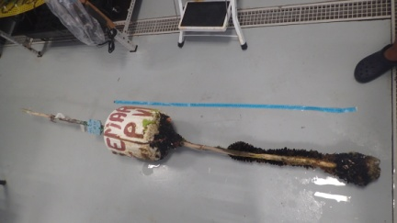
 | 61 | F36 | Stick w Buoy | 37 | Stryrofoam | Cilindrical | 2.23cm | 13 |  | 2017-07-31 | QL | N32 43 31 E3 16 40 | N 32 43.517 W 16.667 | Mad | 9 | Mollus | Mytulis edulis JCC777 | >250
 |  |  |  |  |  |  |  |  |  |  |  |  |  |  | 9 | Arth | Lepas anatifera | >50
 |  |  |  |  |  |  |  |  |  |  |  |  |  |  | 9 | Alga | Green alga Entromorpha JCC776
 |  |  |  |  |  |  |  |  |  |  |  |  |  |  | 9 | Arth | Planes minutus | >10
 |  |  |  |  |  |  |  |  |  |  |  |  |  |  | 9 | Arth | Caprellids
 |  |  |  |  |  |  |  |  |  |  |  |  |  |  | 9 | Arth | Amphipods
 |  |  |  |  |  |  |  |  |  |  |  |  |  |  | 9 | Alga | Dasycladus vermicularis JCC779
 |  |  |  |  |  |  |  |  |  |  |  |  |  |  | 9 | Alga | CeremialisRed algae JCC780
 |  |  |  |  |  |  |  |  |  |  |  |  |  |  | 9 | Bryo | Ciclostomata JCC780
 | 62 | F37 | Styrofoam | 45 | Styrofoam | Iregular | 55 x 20 x 20 | 1.2 |  | 2017-04-14 | QL | N32 43 09 E2 16 39 | N 32 43.150 W 16.650 | Mad | 3 | Arth | Lepas anatifera | >1000
 |  | no pict |  |  |  |  |  |  |  |  |  |  |  |  | 3 | Arth | Planes minutus | 3
 |  |  |  |  |  |  |  |  |  |  |  |  |  |  | 3 | Alga | Entromorpha

 | 63 | F38 | Hard Foam | 45 | Styrofoam | Rectangular | 40 x 38 | 1.693 |  | 2017-08-21 | Pico Furado 50 mts da costa Sardinhas | N32 44 20 E1 16 40 | N 32 44.333 W 16.667 0.0 | Mad | 4 | Arth | Lepas anatifera | 20
 |  |  |  |  |  |  |  |  |  |  |  |  |  |  | 4 | Arth | Planes minutus | 2
 |  |  |  |  |  |  |  |  |  |  |  |  |  |  | 4 | Alga | Entromorpha
 |  |  |  |  |  |  |  |  |  |  |  |  |  |  | 4 | Coral | Coral Hydrozoan Caryophyla sp.

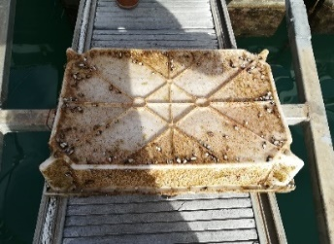
 | 70 | F39 | White tray | 34 | Plastic | Rectangular | 75 x 45 x 12 | 1 kg |  | 2018-04-11 |  |  | N 32 37.0072 W 016 54.0788 | Mad | 4 | Crustacea | Lepas anatifera | <150
 |  |  |  |  |  |  |  |  |  |  |  |  |  |  | 4 | Mollusc | Fionna pinnata | <10
 |  |  |  |  |  |  |  |  |  |  |  |  |  |  | 4 | Polychaete | Hipponoe gaudichaudi | 8
 |  |  |  |  |  |  |  |  |  |  |  |  |  |  | 4 | Algae | Filamentous algae

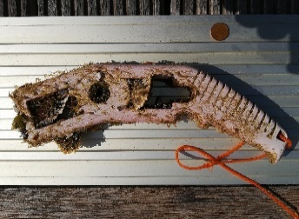
 | 72 | F40 | Plastic part gun |  | Plastic | Iregular | 26 x 6 | 223.92 |  | 2018-04-13 | Front of QL pier |  | N 32 44.462 W 16 42.560 | Mad | 9 | Mollusca | Pinctata imbricata radiata | 4
 |  |  |  |  |  |  |  |  |  |  |  |  |  |  | 9 | Arthropoda | Lepas antifera | >50<100
 |  |  |  |  |  |  |  |  |  |  |  |  |  |  | 9 | Cnidaria | Ventroma Halecioides | Many
 |  |  |  |  |  |  |  |  |  |  |  |  |  |  | 9 | Tunicata | Diplossoma listerianum
 |  |  |  |  |  |  |  |  |  |  |  |  |  |  | 9 | Arthropodaa | Caprella sp.
 |  |  |  |  |  |  |  |  |  |  |  |  |  |  | 9 | Bryozoa | Microtubes
 |  |  |  |  |  |  |  |  |  |  |  |  |  |  | 9 | Arthropoda | Crabs | 2
 |  |  |  |  |  |  |  |  |  |  |  |  |  |  | 9 | Arthropoda | Amphipods
 |  |  |  |  |  |  |  |  |  |  |  |  |  |  | 9 | Algae | Red Algae

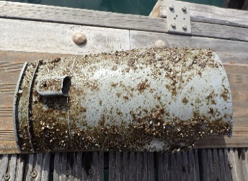
 | 73 | F41 | Broken plastic container |  | Plastic | Iregular | 35x 15 |  |  | 2018-04-21 |  |  | N -32 32.7289 W 17 08.4791 | Mad | 2 | Arthropoda | Lepas antifera | <100
 |  |  |  |  |  |  |  |  |  |  |  |  |  |  | 2 | Arthropoda | Crabs | 1

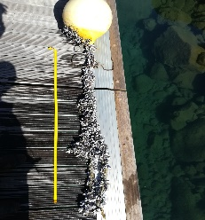
 | 74 | F42 | Buoy + Rope | 37 + 32 | Plastic | Circular | 50 x 50 + 160 x10 | 8 |  | 2018-04-27 |  |  |  | Mad | 4 | Arthropoda | Lepas antifera | >1000
 |  |  |  |  |  |  |  |  |  |  |  |  |  |  | 4 | Arthropoda | Planes minutus | >10
 |  |  |  |  |  |  |  |  |  |  |  |  |  |  | 4 | Polychaete | Hipponoe gaudichaudi | >10
 |  |  |  |  |  |  |  |  |  |  |  |  |  |  | 4 | Cnidaria | Ventroma halecioides
 |  |  |  |  |  |  |  |  |  |  |  |  |  |  |  |  | Nudibranch eggs Fiona pinnata

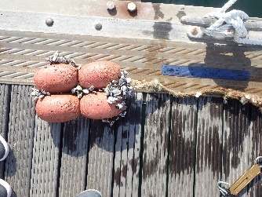
 | 75 | F43 | Boias de rede | 37 | Styrofoam | Circular | 30 x 20 | 1.6 Kg |  | 2018-05-07 |  |  | N 32 24.042 W 16 57.036 | Mad | 4 | Arthropoda | Lepas antifera | 300
 |  |  |  |  |  |  |  |  |  |  |  |  |  |  | 4 | Arthropoda | Planes minutus | 2
 |  |  |  |  |  |  |  |  |  |  |  |  |  |  | 4 | Hydrozoa | Unk now hydrozoa JCC914
 |  |  |  |  |  |  |  |  |  |  |  |  |  |  | 4 | Crustacea | Amphipods

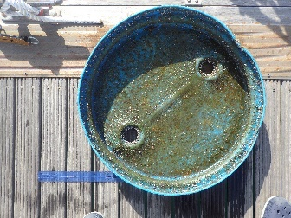
 | 76 | F44 | Tampa Bidao Azul |  | Plastic | Circular | 55 cm | 3.8 kg |  | 2018-05-05 |  |  | N -32 33.8665 W 16 51.528 | Mad | 6 | Arthropoda | Lepas antifera | >1000
 |  |  |  |  |  |  |  |  |  |  |  |  |  |  | 6 | Arthropoda | Planes minutus | 3
 |  |  |  |  |  |  |  |  |  |  |  |  |  |  | 6 | Hydrozoa | Unk now hydrozoa JCC914
 |  |  |  |  |  |  |  |  |  |  |  |  |  |  | 6 | Crustacea | Amphipods
 |  |  |  |  |  |  |  |  |  |  |  |  |  |  | 6 | Crustacea | Caprelids | <1000
 |  |  |  |  |  |  |  |  |  |  |  |  |  |  | 6 | Algae | Entromorpha

 | 77 | F45 | Al Pole + Buoy | 37 | Metal + Plastic | Circular | 5 m | 20kg |  | 2018-05-25 |  |  | N 32 31.511 W16 55.745 | Mad | 2 | Arthropoda | Lepas antifera | >1000
 |  |  |  |  |  |  |  |  |  |  |  |  |  |  |  | Arthropoda | Planes minutus | 3

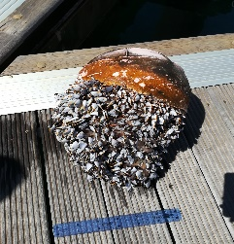
 | 78 | F46 | Boia made in Japan | 37 | Plastic | Circular | 30 x 30 cm | 6.5 kg |  | 2018-06-01 | Machico 3 Milhas |  |  | Mad | 3 | Arthropoda | Lepas antifera | >1000
 |  |  |  |  |  |  |  |  |  |  |  |  |  |  | 3 | Arthropoda | Planes minutus | >10
 |  |  |  |  |  |  |  |  |  |  |  |  |  |  | 3 | Arthropoda | Idotea baltica | 4

 | 8 | W1 | Green Rope | 31 | Nylon | Cilindrical | 1500 cm x 12cm |  |  | 2016-03-04 |  | N33 01 28 W16 22 44 | N 33 01.467 W 16 22.736 | PS- Calheta | 1 | Arthropoda | Lepas anatifera | >100 | 8
 | 9 | W2 | Rope | 31 | Nylon | Cilindrical | 1000 cm x 3cm |  |  | 2016-03-05 |  | N33 01 28 W16 22 44 | N 33 01.467 W 16 22.736 | PS- Calheta | 2 | Arthropoda | Lepas anatifera | >300 | 9
 |  |  |  |  |  |  |  |  |  |  |  |  |  |  | 2 | Molusc | Mytulus galloprovicialis | 4
 | 10 | W3 | Cutting board | 48 | Plastic | Rectangular | 39 x 32 cm | 0.624 |  | 2016-04-21 |  | N32 44 31 W16 42 27 | N 32 44.519 W 16 42.457 | Mad QL | 2 | Arthropoda | Lepas anatifera | >100 | 10
 |  |  |  |  |  |  |  |  |  |  |  |  |  |  | 2 | Polychaete | Spirobranchius triqueter | 25
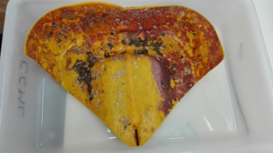
 | 11 | W4 | Plastic container | 10 | Plastic | Rectangular | 22 x 18 cm | 0.15 |  | 2016-04-22 |  | N32 44 31 W16 42 26 | N 32 44.517 W 16 42.443 | Mad QL | 9 | Rhodophyta | Lithophylum incrustans |  | 11
 |  |  |  |  |  |  |  |  |  |  |  |  |  |  | 9 | Polychaete | Spirorbranchius triqueter
 |  |  |  |  |  |  |  |  |  |  |  |  |  |  | 9 | Polychaete | Vermetid sp. | 1
 |  |  |  |  |  |  |  |  |  |  |  |  |  |  | 9 | Bryozoa | Schizoporella errata
 |  |  |  |  |  |  |  |  |  |  |  |  |  |  | 9 | Bryozoa | Favosipora purporea
 |  |  |  |  |  |  |  |  |  |  |  |  |  |  | 9 | Bryozoa | Escharella sp.
 |  |  |  |  |  |  |  |  |  |  |  |  |  |  | 9 | Bryozoa | Molia multijunta
 |  |  |  |  |  |  |  |  |  |  |  |  |  |  | 9 | Arthropoda | Balanus trigonous
 |  |  |  |  |  |  |  |  |  |  |  |  |  |  | 9 | Cnidaria | Sertularia gayi
 | 12 | W5 | Plastic bottom | 5 | Plastic | Cilindrical | 7 x 2 cm | 0.01 |  | 2016-04-23 |  | N32 44 30 W16 42 31 | N 32 44.500 W 16 42.517 | Mad QL | 4 | Arthropoda | Lepas anatifera | 2 | 12
 |  |  |  |  |  |  |  |  |  |  |  |  |  |  | 4 | Polychaete | Spirorbranchius triqueter | 174
 |  |  |  |  |  |  |  |  |  |  |  |  |  |  | 4 | Polychaete | Hipponoe gaudichaudi | 1
 |  |  |  |  |  |  |  |  |  |  |  |  |  |  | 4 | Cnidario | Obelia hyalina | 1
 | 15 | W6 | Black Oil bucket | 9 | Plastic | Cilindrical | 30 d x 37 cm | 0.808 |  | 2016-04-01 | Calhau S. Jorge | N32 49 46 W16 53 49 | N 32 49.782 W 16 53.828 | Mad | 3 | Polychaete | Spirorbranchius triqueter | 59 | 15
 |  |  |  |  |  |  |  |  |  |  |  |  |  |  | 3 | Arthropoda | Lapas anatifera | >300
 |  |  |  |  |  |  |  |  |  |  |  |  |  |  | 3 | Arthropoda | Amphipod sp.
 | 16 | W7 | Green Lid oil container | 15 | Plastic | Circular | 32 d | 0.138 |  | 2016-04-01 | Calhau S. Jorge | N32 49 47 W16 53 50 | N 32 49.793 W 16 53.843 | Mad | 5 | Polichaeta | Spirorbranchius triqueter | 31 | 16
 |  |  |  |  |  |  |  |  |  |  |  |  |  |  | 5 | Arthropoda | Lepas pectinata JCC680 | >500
 |  |  |  |  |  |  |  |  |  |  |  |  |  |  | 5 | Arthropoda | Lepas anatifera | <50
 |  |  |  |  |  |  |  |  |  |  |  |  |  |  | 5 | Algae | Ulvacea sp.
 |  |  |  |  |  |  |  |  |  |  |  |  |  |  | 5 | Bryozoa | Crisia sp | 2
 | 17 | W8 | Black Tube | 48 | Plastic | Cilinder | 9 x 8.5 cm | 0.134 |  | 2016-04-27 |  | N33 05 03 W16 17 56 | N 33 05.054 W 16 17.945 | PS2 | 3 | Arthropoda | Lepas anatifera | <30 | 17
 |  |  |  |  |  |  |  |  |  |  |  |  |  |  | 3 | Arthropoda | Lepas pectinata | >50
 |  |  |  |  |  |  |  |  |  |  |  |  |  |  | 3 | Polychaete | Spirorbranchius triqueter | >10
 | 18 | W9 | Car part | 14 | Plastic | Rectangular | 13 x 3.5 cm | 0.042 |  | 2016-04-27 |  | N33 05 02 W16 17 56 | N 33 05.039 W 16 17.937 | PS2 | 1 | Cnidaria | Cnidaria sp |  | 18
 | 19 | W10 | Pastic part | 46 | Plastic | Triangular | 10 x 5 cm | 0.022 |  | 2016-04-28 |  | N33 05 00 W16 17 55 | N 33 05.012 W 16 17.926 | PS2 | 6 | Bryozoa | Copidozoum tenuirostris | 1 | 19
 |  |  |  |  |  |  |  |  |  |  |  |  |  |  | 6 | Bryozoa | Puelina sp. | 1
 |  |  |  |  |  |  |  |  |  |  |  |  |  |  | 6 | Bryozoa | Schizomavella sp.
 |  |  |  |  |  |  |  |  |  |  |  |  |  |  | 6 | Polychaete | Spirorbranchius triqueter | 4
 |  |  |  |  |  |  |  |  |  |  |  |  |  |  | 6 | Polychaete | Spirorbis sp. | 10
 | 20 | W11 | Black Cup | 48 | Plastic | Cilindrical | 7.5 x 6 | 0.018 |  | 2016-04-27 |  | N33 04 59 W16 17 54 | N 33 04.990 W 16 17.901 | PS2 | 1 | Bryozoa | Conopeum reticulum |  | 20
 | 21 | W12 | Black Cup | 48 | Plastic | Cilindrical | 8 x 6 cm | 0.11 |  | 2016-04-27 |  | N33 04 11 W16 17 53 | N 33 04.186 W 16 17.888 | PS1 | 3 | Cnidaria | Hidrozoa sp |  | 21
 |  |  |  |  |  |  |  |  |  |  |  |  |  |  | 3 | Bryozoa | Scruparia ambigua
 |  |  |  |  |  |  |  |  |  |  |  |  |  |  | 3 | Polychaete | Spirorbranchius triqueter
 | 23 | W13 | Caixa Amarela | 13 | Plastic | Rectangular | 26 x 11 x 2cm | 0.12 | 286 cm2 | 2016-06-26 | Calhau S. Jorge | N32 49 46 W16 53 49 | N 32 49.782 W 16 53.823 | Mad | 3 | Crustacea | Lepas anatifera | 10 | 23
 |  |  |  |  |  |  |  |  |  |  |  |  |  |  | 3 | Mollusca | Doto fructfraga | 15
 |  |  |  |  |  |  |  |  |  |  |  |  |  |  | 3 | Crustacea | Lepas pectinata | 5
 |  |  |  |  |  |  |  |  |  |  |  |  |  |  |  |  |  | 6
 | 24 | W14 | Tampa Preta | 15 | Plastic | Rectangular | 27 x 11 x 2cm | 0.287 | 287 cm2 | 2016-06-27 | Calhau S. Jorge | N32 49 47 W16 53 49 | N 32 49.787 W 16 53.830 | Mad | 3 | Crustacea | Lepas anatifera | 38 x 2 | 24
 |  |  |  |  |  |  |  |  |  |  |  |  |  |  | 3 | Bryozoa | Conopeum reticulum | many
 |  |  |  |  |  |  |  |  |  |  |  |  |  |  | 3 | Cnidaria | Ventroma halecioides

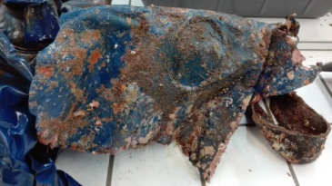
 | 25 | S1 | Plastic Wrap | 40 | Plastic | Rectangular | 108 x 110 cm | 0.894 |  | 2016-06-25 | House Reef | N32 44 23 W16 42 38 | N 32 44.394 W 16 42.648 | Mad | 29 | Cnidaria | Ventroma halecioides |  | 25 | JCC705
 |  |  |  |  |  |  |  |  |  |  |  |  |  |  | 29 | Cnidaria | Sertolaria gayi JCC706
 |  |  |  |  |  |  |  |  |  |  |  |  |  |  | 29 | Polychaete | Salmicina dysteri
 |  |  |  |  |  |  |  |  |  |  |  |  |  |  | 29 | Polychaete | Sprirobranchius triqueter
 |  |  |  |  |  |  |  |  |  |  |  |  |  |  | 29 | Polychaete | Spirobis sp.
 |  |  |  |  |  |  |  |  |  |  |  |  |  |  | 29 | Porifera | Mycale senegalensis Yellow
 |  |  |  |  |  |  |  |  |  |  |  |  |  |  | 29 | Porifera | Mycale senegalensis Orange
 |  |  |  |  |  |  |  |  |  |  |  |  |  |  | 29 | Algae | Dyctiota sp
 |  |  |  |  |  |  |  |  |  |  |  |  |  |  | 29 | Algae | Lithophyllum incrustans
 |  |  |  |  |  |  |  |  |  |  |  |  |  |  | 29 | Algae | Enteromorpha sp.
 |  |  |  |  |  |  |  |  |  |  |  |  |  |  | 29 | Equinoderme | Arbaxia lixula
 |  |  |  |  |  |  |  |  |  |  |  |  |  |  | 29 | Mollusca | Bittium sp
 |  |  |  |  |  |  |  |  |  |  |  |  |  |  | 29 | Mollusca | Calliostoma sp
 |  |  |  |  |  |  |  |  |  |  |  |  |  |  | 29 | Crustacea | Crab
 |  |  |  |  |  |  |  |  |  |  |  |  |  |  | 29 | Crustacea | Amphipods Eriditonius
 |  |  |  |  |  |  |  |  |  |  |  |  |  |  | 29 | Crustacea | Amphipods Amphiotoe
 |  |  |  |  |  |  |  |  |  |  |  |  |  |  | 29 | Crustacea | Tamnaidaceos
 |  |  |  |  |  |  |  |  |  |  |  |  |  |  | 29 | Equinoderme | Ofiuro
 |  |  |  |  |  |  |  |  |  |  |  |  |  |  | 29 | Plathylminthes | Planaria
 |  |  |  |  |  |  |  |  |  |  |  |  |  |  | 29 | Bryozoa | Scrupcellaria maderensis JCC707
 |  |  |  |  |  |  |  |  |  |  |  |  |  |  | 29 | Bryozoa | Hippoporida sp.
 |  |  |  |  |  |  |  |  |  |  |  |  |  |  | 29 | Bryozoa | Mollia multijunta
 |  |  |  |  |  |  |  |  |  |  |  |  |  |  | 29 | Bryozoa | Escharina vulgaris
 |  |  |  |  |  |  |  |  |  |  |  |  |  |  | 29 | Bryozoa | Puelina sp.
 |  |  |  |  |  |  |  |  |  |  |  |  |  |  | 29 | Bryozoa | Cyclostomata sp.
 |  |  |  |  |  |  |  |  |  |  |  |  |  |  | 29 | Bryozoa | Schizoporella unicornis
 |  |  |  |  |  |  |  |  |  |  |  |  |  |  | 29 | Bryozoa | Copidozoum tenuirostris
 |  |  |  |  |  |  |  |  |  |  |  |  |  |  | 29 | Bryozoa | Schizoporella
 |  |  |  |  |  |  |  |  |  |  |  |  |  |  | 29 | Bryozoa | Reptadeonella violacea

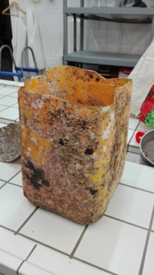
 | 26 | S2 | Container Yellow Plastic | 10 | Plastic | Rectangular | 28 x 25 x 33 cm | 1.524 |  | 2016-06-25 | House Reef | N32 44 24 W16 42 32 | N 32 44.403 W 16 42.543 | Mad | 14 | Polychaete | Spirobranchius triqueter |  | 26 | Mix fauna | JCC704
 |  |  |  |  |  |  |  |  |  |  |  |  |  |  | 14 | cnidaria | Ventroma halecioides
 |  |  |  |  |  |  |  |  |  |  |  |  |  |  | 14 | Polychaete | Serpula vermicularis
 |  |  |  |  |  |  |  |  |  |  |  |  |  |  | 14 | Polychaete | Amage adspersa | 2
 |  |  |  |  |  |  |  |  |  |  |  |  |  |  | 14 | Crustacea | Balanous trigonous
 |  |  |  |  |  |  |  |  |  |  |  |  |  |  | 14 | Algae | Lithophyllum incrustans
 |  |  |  |  |  |  |  |  |  |  |  |  |  |  | 14 | Bryozoa | Reptdeonella violacea
 |  |  |  |  |  |  |  |  |  |  |  |  |  |  | 14 | Bryozoa | Ciclostomata sp.
 |  |  |  |  |  |  |  |  |  |  |  |  |  |  | 14 | Bryozoa | Puelina sp.
 |  |  |  |  |  |  |  |  |  |  |  |  |  |  | 14 | Bryozoa | Mollia multijunta
 |  |  |  |  |  |  |  |  |  |  |  |  |  |  | 14 | Bryozoa | Schizoporella unicornis
 |  |  |  |  |  |  |  |  |  |  |  |  |  |  | 14 | Bryozoa | Schizomavellasp.
 |  |  |  |  |  |  |  |  |  |  |  |  |  |  | 14 | Bryozoa | Crassimarginata cf madeirensis
 |  |  |  |  |  |  |  |  |  |  |  |  |  |  | 14 | Bryozoa | Hypoporidra sp.

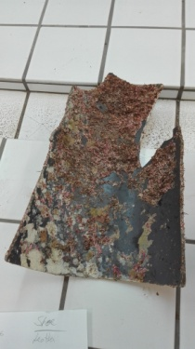
 | 27 | S3 | PVC part tube | 48 | Plastic | Rectangular | 35 x28 cm | 0.422 |  | 2016-06-25 | House Reef | N32 44 22 W16 42 35 | N 32 44.373 W 16 42.597 | Mad | 17 | Polychaete | Spirobranchius triqueter |  | 27 | JCC703
 |  |  |  |  |  |  |  |  |  |  |  |  |  |  | 17 | Cnidaria | Ventroma halecioides
 |  |  |  |  |  |  |  |  |  |  |  |  |  |  | 17 | Polychaete | Salmicina dysteri
 |  |  |  |  |  |  |  |  |  |  |  |  |  |  | 17 | Crustacea | Balanous trigonous
 |  |  |  |  |  |  |  |  |  |  |  |  |  |  | 17 | Algae | Lithophyllum incrustans
 |  |  |  |  |  |  |  |  |  |  |  |  |  |  | 17 | Porifera | Mycale senegalensis
 |  |  |  |  |  |  |  |  |  |  |  |  |  |  | 17 | Cnidaria | Sertolaria gayi
 |  |  |  |  |  |  |  |  |  |  |  |  |  |  | 17 | Mollusca | Bittium latrelli
 |  |  |  |  |  |  |  |  |  |  |  |  |  |  | 17 | Mollusca | Callisostoma sp.
 |  |  |  |  |  |  |  |  |  |  |  |  |  |  | 17 | Mix fauna | JCC703
 |  |  |  |  |  |  |  |  |  |  |  |  |  |  | 17 | Bryozoa | Mollia multijunta
 |  |  |  |  |  |  |  |  |  |  |  |  |  |  | 17 | Bryozoa | Schizomavella sp.
 |  |  |  |  |  |  |  |  |  |  |  |  |  |  | 17 | Bryozoa | Scrupocellaria maderensis
 |  |  |  |  |  |  |  |  |  |  |  |  |  |  | 17 | Bryozoa | Ciclostomata sp.
 |  |  |  |  |  |  |  |  |  |  |  |  |  |  | 17 | Bryozoa | Reptodonella violacea
 |  |  |  |  |  |  |  |  |  |  |  |  |  |  | 17 | Bryozoa | Schizoporella unicornis
 |  |  |  |  |  |  |  |  |  |  |  |  |  |  | 17 | Bryozoa | Escharoides coccinea
 |  |  |  |  |  |  |  |  |  |  |  |  |  |  | 17 | Bryozoa | Puelina sp.

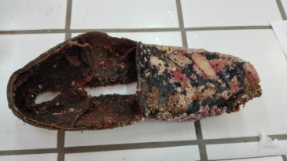
 | 28 | S4 | Leather Shoe | 57 | Leather | Rectangular | 25 x 9 cm | 0.17 |  | 2016-06-25 | House Reef | N32 44 23 W16 42 25 | N 32 44.392 W 16 42.429 | Mad | 19 | Polychaete | Spirobranchius triqueter |  | 28 | JCC702
 |  |  |  |  |  |  |  |  |  |  |  |  |  |  | 19 | Algae | Lithophyllum incrustans
 |  |  |  |  |  |  |  |  |  |  |  |  |  |  | 19 | Crustacea | Balanus trigonous
 |  |  |  |  |  |  |  |  |  |  |  |  |  |  | 19 | Crustacea | Caprella acanthifera var. discrepans
 |  |  |  |  |  |  |  |  |  |  |  |  |  |  | 19 | Crustacea | Eurynome spinosa
 |  |  |  |  |  |  |  |  |  |  |  |  |  |  |  | Crustacea | Palliolum incomparabile
 |  |  |  |  |  |  |  |  |  |  |  |  |  |  | 19 | Arthropoda | Ammonthella longipes
 |  |  |  |  |  |  |  |  |  |  |  |  |  |  | 19 | Algae | Brown algae
 |  |  |  |  |  |  |  |  |  |  |  |  |  |  | 19 | Cnidaria | Sertolaria gayi
 |  |  |  |  |  |  |  |  |  |  |  |  |  |  | 19 | Foraminifero | Miniacina miniacea
 |  |  |  |  |  |  |  |  |  |  |  |  |  |  | 19 | Bryozoa | Mollia multijunta
 |  |  |  |  |  |  |  |  |  |  |  |  |  |  | 19 | Bryozoa | Schizoporella unicornis
 |  |  |  |  |  |  |  |  |  |  |  |  |  |  | 19 | Bryozoa | Ciclostomata sp.
 |  |  |  |  |  |  |  |  |  |  |  |  |  |  | 19 | Bryozoa | Scrupocellaria maderensis
 |  |  |  |  |  |  |  |  |  |  |  |  |  |  | 19 | Bryozoa | Jellyela tuberculata
 |  |  |  |  |  |  |  |  |  |  |  |  |  |  | 19 | Mollusca | Parvicardium vroomi
 |  |  |  |  |  |  |  |  |  |  |  |  |  |  | 19 | Mollusca | Odostomia sp
 |  |  |  |  |  |  |  |  |  |  |  |  |  |  | 19 | Mollusca | Bittium incile
 |  |  |  |  |  |  |  |  |  |  |  |  |  |  | 19 | Mollusca | Bittium latreillii
 |  |  |  |  |  |  |  |  |  |  |  |  |  |  | 19 | Mollusca | Crisilla iunoniae

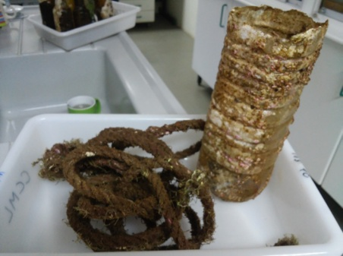
 | 30 | S5 | Plastic bottle | 4 | Plastic | Rectangular | 24 x 8 x 8 cm | 0.085 |  | 2016-07-06 | House Reef | N32 44 24 W16 42 41 | N 32 44.400 W 16 42.692 | Mad | 14 | Crustacea | Caprella sp. |  | 30 | Mix fauna | JCC711
 |  |  |  |  |  |  |  |  |  |  |  |  |  |  | 14 | Crustacea | Eurynome spinosa
 |  |  |  |  |  |  |  |  |  |  |  |  |  |  | 14 | Equinoderme | Ofiuro
 |  |  |  |  |  |  |  |  |  |  |  |  |  |  | 14 | Mollusca | Vieira
 |  |  |  |  |  |  |  |  |  |  |  |  |  |  | 14 | Mollusca | Bittium latrelli
 |  |  |  |  |  |  |  |  |  |  |  |  |  |  | 14 | Mollusca | Callisostoma sp.
 |  |  |  |  |  |  |  |  |  |  |  |  |  |  | 14 | Foraminifero | Miniacina miniacea
 |  |  |  |  |  |  |  |  |  |  |  |  |  |  | 14 | Cnidaria | Cnidaria sp
 |  |  |  |  |  |  |  |  |  |  |  |  |  |  | 14 | Porifera | Mycale senegalensis red
 |  |  |  |  |  |  |  |  |  |  |  |  |  |  | 14 | Polychaete | Spirobranchius triqueter | <100
 |  |  |  |  |  |  |  |  |  |  |  |  |  |  | 14 | Porifera | Sponge JCC712
 |  |  |  |  |  |  |  |  |  |  |  |  |  |  | 14 | Bryozoa | Hippoporidra sp.
 |  |  |  |  |  |  |  |  |  |  |  |  |  |  | 14 | Bryozoa | Schizomavella sp.
 |  |  |  |  |  |  |  |  |  |  |  |  |  |  | 14 | Bryozoa | Ciclostomata sp.
 |  |  |  |  |  |  |  |  |  |  |  |  |  |  | 14 | Bryozoa | Schizoporella unicornis

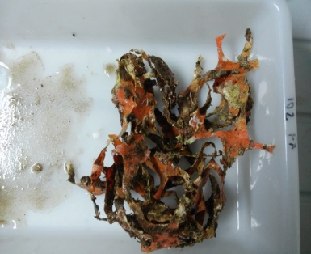
 | 31 | S6 | Plastic Wrap | 1 | Plastic | Rectangular | 16 x 13 cm | 0.068 |  | 2016-07-06 | House Reef | N32 44 24 W16 42 30 | N 32 44.409 W 16 42.511 | Mad | 9 | Mollusca | Emarginula paivana |  | 31
 |  |  |  |  |  |  |  |  |  |  |  |  |  |  | 9 | Alga | JCC713 Sara
 |  |  |  |  |  |  |  |  |  |  |  |  |  |  | 9 | Porifera | JCC714
 |  |  |  |  |  |  |  |  |  |  |  |  |  |  | 9 | Polychaete | Spirobranchius triqueter
 |  |  |  |  |  |  |  |  |  |  |  |  |  |  | 9 | Bryozoa | Copidozoum tenuirostris
 |  |  |  |  |  |  |  |  |  |  |  |  |  |  | 9 | Bryozoa | Reptadeonella violacea
 |  |  |  |  |  |  |  |  |  |  |  |  |  |  | 9 | Bryozoa | Ciclostomata sp.
 |  |  |  |  |  |  |  |  |  |  |  |  |  |  | 9 | Bryozoa | Schizoporella unicornis

 | 32 | S7 | Rope | 31 | Nylon | Cilindrical | 200 x 1.3 cm | 0.33 |  | 2016-07-06 | House Reef | N32 44 25 W16 42 35 | N 32 44.424 W 16 42.588 | Mad | 16 | Algae | Lithophyllum incrustans |  | 32
 |  |  |  |  |  |  |  |  |  |  |  |  |  |  | 16 | Algae | #32green pine
 |  |  |  |  |  |  |  |  |  |  |  |  |  |  | 16 | Mollusca | Bittium incile
 |  |  |  |  |  |  |  |  |  |  |  |  |  |  | 16 | Crustacea | Crab
 |  |  |  |  |  |  |  |  |  |  |  |  |  |  | 16 | Crustacea | Amphipods
 |  |  |  |  |  |  |  |  |  |  |  |  |  |  | 16 | Sipunculidae | Phascolosoma stephensoni
 |  |  |  |  |  |  |  |  |  |  |  |  |  |  | 16 | Polychaete | Vermetid sp.
 |  |  |  |  |  |  |  |  |  |  |  |  |  |  | 16 | Cnidaria | Sertularia gayi
 |  |  |  |  |  |  |  |  |  |  |  |  |  |  | 16 | Polychaete | Spirobranchius triqueter
 |  |  |  |  |  |  |  |  |  |  |  |  |  |  | 16 | Porifera | Mycale senegalensis Orange
 |  |  |  |  |  |  |  |  |  |  |  |  |  |  | 16 | Bryozoa | Hippoporidra sp.
 |  |  |  |  |  |  |  |  |  |  |  |  |  |  | 16 | Bryozoa | Ciclostomata sp.
 |  |  |  |  |  |  |  |  |  |  |  |  |  |  | 16 | Bryozoa | Barentsia discreta
 |  |  |  |  |  |  |  |  |  |  |  |  |  |  | 16 | Bryozoa | Mollia multijunta

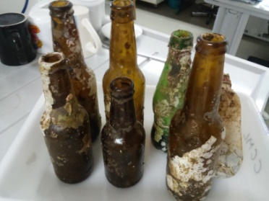
 | 33 | S8 | Bottle | 91 | Glass | Cilindrical | 17 x 6 cm | 0.148 |  | 2016-07-06 | House Reef | N32 44 24 W16 42 31 | N 32 44.412 W 16 42.527 | Mad | 4 | Bryozoa | Puelina sp. |  | 33
 |  |  |  |  |  |  |  |  |  |  |  |  |  |  | 4 | Bryozoa | Chiorizopora rosaria/ brongniarti??
 |  |  |  |  |  |  |  |  |  |  |  |  |  |  | 4 | Bryozoa | Mollia multijunta
 |  |  |  |  |  |  |  |  |  |  |  |  |  |  | 4 | Bryozoa | Crassimarginata maderensis

 | 34 | S9 | Bottle | 91 | Glass | Cilindrical | 19 x 6 cm | 0.391 |  | 2016-07-06 | House Reef | N32 44 24 W16 42 31 | N 32 44.408 W 16 42.517 | Mad | 3 | Bryozoa | Puelina sp. |  | 34
 |  |  |  |  |  |  |  |  |  |  |  |  |  |  | 3 | Bryozoa | Mollia multijunta
 |  |  |  |  |  |  |  |  |  |  |  |  |  |  | 3 | Bryozoa | Chiorizopora rosaria/ brongniarti??

 | 35 | S10 | Bottle | 91 | Glass | Cilindrical | 20 x 6 cm | 0.262 |  | 2016-07-06 | House Reef | N32 44 24 W16 42 31 | N 32 44.408 W 16 42.521 | Mad | 5 | Bryozoa | Puelina sp. |  | 35
 |  |  |  |  |  |  |  |  |  |  |  |  |  |  | 5 | Bryozoa | Scrupocellaria maderensis
 |  |  |  |  |  |  |  |  |  |  |  |  |  |  | 5 | Bryozoa | Mollia multijunta
 |  |  |  |  |  |  |  |  |  |  |  |  |  |  | 5 | Bryozoa | Crassimarginata maderensis
 |  |  |  |  |  |  |  |  |  |  |  |  |  |  | 5 | Bryozoa | Escharina vulgaris

 | 36 | S11 | Bottle | 91 | Glass | Cilindrical | 23 x 6 cm | 0.392 |  | 2016-07-06 | House Reef | N32 44 24 W16 42 33 | N 32 44.407 W 16 42.551 | Mad | 5 | Bryozoa | Mollia multijunta |  | 36
 |  |  |  |  |  |  |  |  |  |  |  |  |  |  | 5 | Bryozoa | Crassimarginata maderensis
 |  |  |  |  |  |  |  |  |  |  |  |  |  |  | 5 | Bryozoa | Chiorizopora rosaria/ brongniarti??
 |  |  |  |  |  |  |  |  |  |  |  |  |  |  | 5 | Bryozoa | Schizoporella unicornis
 |  |  |  |  |  |  |  |  |  |  |  |  |  |  | 5 | Bryozoa | Puelina sp.

 | 37 | S12 | Bottle | 91 | Glass | Cilindrical | 23 x 6 cm | 0.205 |  | 2016-07-06 | House Reef | N32 44 24 W16 42 33 | N 32 44.406 W 16 42.552 | Mad | 12 | Bryozoa | Mollia multijunta |  | 37 | JCC728
 |  |  |  |  |  |  |  |  |  |  |  |  |  |  | 12 | Bryozoa | Crassimarginata maderensis
 |  |  |  |  |  |  |  |  |  |  |  |  |  |  | 12 | Bryozoa | Chiorizopora rosaria/ brongniarti??
 |  |  |  |  |  |  |  |  |  |  |  |  |  |  | 12 | Bryozoa | Schizoporella unicornis
 |  |  |  |  |  |  |  |  |  |  |  |  |  |  | 12 | Bryozoa | Ciclostomata sp.
 |  |  |  |  |  |  |  |  |  |  |  |  |  |  | 12 | Bryozoa | Puelina sp.
 |  |  |  |  |  |  |  |  |  |  |  |  |  |  | 12 | Bryozoa | Favosipora purporea
 |  |  |  |  |  |  |  |  |  |  |  |  |  |  | 12 | Cnidaria | Balanus trigonous
 |  |  |  |  |  |  |  |  |  |  |  |  |  |  | 12 | Polychaete | Spirobranchius triqueter
 |  |  |  |  |  |  |  |  |  |  |  |  |  |  | 12 | Polychaete | Serpula vermicularis
 |  |  |  |  |  |  |  |  |  |  |  |  |  |  | 12 | Cnidaria | Cnidaria sp
 |  |  |  |  |  |  |  |  |  |  |  |  |  |  | 12 | Algae | Lithophyllum incrustans

 | 38 | S13 | Bottle | 91 | Glass | Cilindrical | 23 x 6 cm | 0.324 |  | 2016-07-06 | House Reef | N32 44 24 W16 42 33 | N 32 44.406 W 16 42.561 | Mad | 4 | Bryozoa | Mollia multijunta |  | 38
 |  |  |  |  |  |  |  |  |  |  |  |  |  |  | 4 | Bryozoa | Puelina sp.
 |  |  |  |  |  |  |  |  |  |  |  |  |  |  | 4 | Algae | Lithophyllum incrustans
 |  |  |  |  |  |  |  |  |  |  |  |  |  |  | 4 | Polychaete | Spirobranchius triqueter

 | 39 | S14 | Yogurt Bottle | 6 | Plastic | Cilindrical | 15 x 7 cm | 0.104 |  | 2016-07-06 | House Reef | N32 44 24 W16 42 33 | N 32 44.409 W 16 42.565 | Mad | 8 | Bryozoa | Schizoporella unicornis |  | 39
 |  |  |  |  |  |  |  |  |  |  |  |  |  |  | 8 | Bryozoa | Mollia multijunta
 |  |  |  |  |  |  |  |  |  |  |  |  |  |  | 8 | Bryozoa | Puelina sp.
 |  |  |  |  |  |  |  |  |  |  |  |  |  |  | 8 | Bryozoa | Schizoporella errata
 |  |  |  |  |  |  |  |  |  |  |  |  |  |  | 8 | Bryozoa | Crassimarginata maderensis
 |  |  |  |  |  |  |  |  |  |  |  |  |  |  | 8 | Bryozoa | Favosipora purporea
 |  |  |  |  |  |  |  |  |  |  |  |  |  |  | 8 | Bryozoa | Ciclostomata sp.
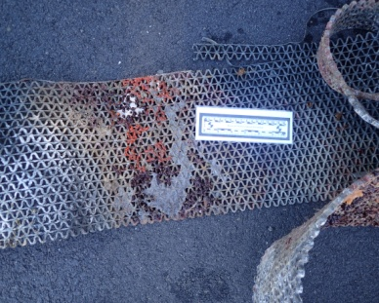
 |  |  |  |  |  |  |  |  |  |  |  |  |  |  | 8 | Polychaete | Spirobranchius triqueter

 | 52 | S15 | Black Mat | 48 | Pllastic | Rectangular | 220 x 23 cm |  | 5060 cm2 | 2016-11-05 | Port PS | N33 03 41 W16 18 56 | N 33 03.685 W 16 18.936 | PS | 9 | Tunicate | Distaplia corolla
 |  |  |  |  |  |  |  |  |  |  |  |  |  |  | 9 | Tunicate | Botryloides nigrum
 |  |  |  |  |  |  |  |  |  |  |  |  |  |  | 9 | Tunicate | Diplossoma listerianum
 |  |  |  |  |  |  |  |  |  |  |  |  |  |  | 9 | Tunicate | Trididemnum cereum
 |  |  |  |  |  |  |  |  |  |  |  |  |  |  | 9 | Tunicate | Styela clava | 4
 |  |  |  |  |  |  |  |  |  |  |  |  |  |  | 9 | Porifera | Sycon sp.
 |  |  |  |  |  |  |  |  |  |  |  |  |  |  | 9 | Porifera | Prosuberites cf longispina
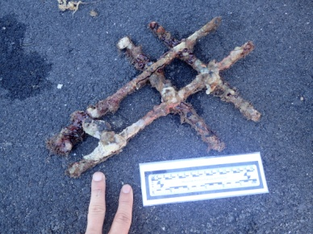
 |  |  |  |  |  |  |  |  |  |  |  |  |  |  | 9 | Polychaete | Salmicina dysteri
 |  |  |  |  |  |  |  |  |  |  |  |  |  |  | 9 | Bryozoa | Celleporaria inaudita

 | 53 | S16 | Metal piece | 89 | Metal | Cilindrical | 25 x 18 cm | 0.759 |  | 2016-11-05 | Port PS | N33 03 38 W16 18 54 | N 33 03.646 W 16 18.916 | PS | 5 | Tunicate | Distaplia corolla
 |  |  |  |  |  |  |  |  |  |  |  |  |  |  | 5 | Mollusc | Crassadoma multistriata (Poli, 1795)
 |  |  |  |  |  |  |  |  |  |  |  |  |  |  | 5 | Algae | Lithophyllum incrustans
 |  |  |  |  |  |  |  |  |  |  |  |  |  |  | 5 | Bryozoa | Parasmittina multiaviculata
 |  |  |  |  |  |  |  |  |  |  |  |  |  |  | 5 | Bryozoa | Parasmittina alba
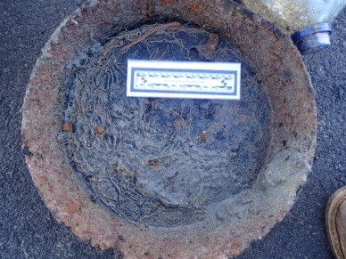
 | 54 | S17 | Fryan pan | 89 | Metal | Round | 38 cm | 2.4 |  | 2016-11-05 | Port PS | N33 03 37 W16 18 55 | N 33 03.631 W 16 18.918 | PS | 10 | Algae | Lithophyllum incrustans
 |  |  |  |  |  |  |  |  |  |  |  |  |  |  | 10 | Polychaete | Salmicina dysteri
 |  |  |  |  |  |  |  |  |  |  |  |  |  |  | 10 | Polychaete | Amphipods
 |  |  |  |  |  |  |  |  |  |  |  |  |  |  | 10 | Polychaete | Hermodice caranculata | 1
 |  |  |  |  |  |  |  |  |  |  |  |  |  |  | 10 | Polychaete | Spirorbranchius triqueter
 |  |  |  |  |  |  |  |  |  |  |  |  |  |  | 10 | Cnidaria | Penaria disticha
 |  |  |  |  |  |  |  |  |  |  |  |  |  |  | 10 | Mollusc | Ocinebrina edwardsii
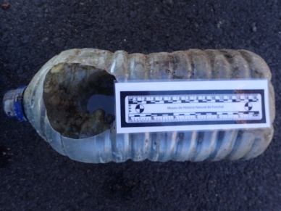
 |  |  |  |  |  |  |  |  |  |  |  |  |  |  | 10 | Bryozoa | Scrupocaberea sp.
 |  |  |  |  |  |  |  |  |  |  |  |  |  |  | 10 | Tunicate | Distaplia corolla
 |  |  |  |  |  |  |  |  |  |  |  |  |  |  | 10 | Tunicate | Clavelina lepadiformis

 | 55 | S18 | Plastic Bottle | 4 | Plastic | Rectangular | 32 x 15 cm |  |  | 2016-11-05 | Port PS | N33 03 40 W16 18 57 | N 33 03.673 W 16 18.953 | PS | 7 | Polychaete | Nereid sp.
 |  |  |  |  |  |  |  |  |  |  |  |  |  |  | 7 | Polychaete | Amphipods
 |  |  |  |  |  |  |  |  |  |  |  |  |  |  | 7 | Polychaete | Spirorbis sp.
 |  |  |  |  |  |  |  |  |  |  |  |  |  |  | 7 | Bryozoa | Bugula neritina
 |  |  |  |  |  |  |  |  |  |  |  |  |  |  | 7 | Bryozoa | Parasmittina multiaviculata
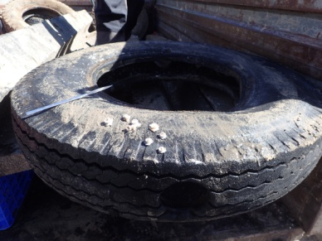
 |  |  |  |  |  |  |  |  |  |  |  |  |  |  | 7 | Bryozoa | Parasmittina alba
 |  |  |  |  |  |  |  |  |  |  |  |  |  |  | 7 | Porifera | Prosuberites cf longispina

 | 56 | S19 | Wheel | 52 | Rubber | Round | 100 cm |  |  | 2016-11-05 | Port PS | N33 03 36 W16 18 54 | N 33 03.615 W 16 18.904 | PS | 5 | Cnidaria | Caryophyllia sp
 |  |  |  |  |  |  |  |  |  |  |  |  |  |  | 5 | Bryozoa | Parasmittina alba
 |  |  |  |  |  |  |  |  |  |  |  |  |  |  | 5 | Polychaete | Spirorbis sp.
 |  |  |  |  |  |  |  |  |  |  |  |  |  |  | 5 | Polychaete | Spirobranchus triqueter
 |  |  |  |  |  |  |  |  |  |  |  |  |  |  | 5 | Polychaete | Pomatoceros triqueter

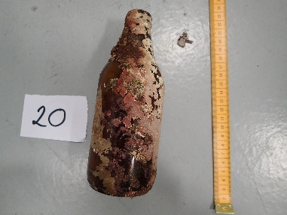
 | 64 | S20 | Botle sagres | 91 | Glass | Cilindrical | 17.3 x 6cm | 244.31 |  | 2018-04-12 | QL House Reef | N32 44 25 W16 42 35 | N 32 44.424 W 16 42.588 | Mad | 14 | Polychaete | Spirorbranchus triqueter
 |  |  |  |  |  |  |  |  |  |  |  |  |  |  | 14 | Crustacea | Balanus trigonous
 |  |  |  |  |  |  |  |  |  |  |  |  |  |  | 14 | Algae | Lithophyllum incrustans
 |  |  |  |  |  |  |  |  |  |  |  |  |  |  | 14 | Bryozoa | Molia multijunta
 |  |  |  |  |  |  |  |  |  |  |  |  |  |  | 14 | Algae | Polysiphonia sertularoides
 |  |  |  |  |  |  |  |  |  |  |  |  |  |  | 14 | Algae | Halopteris scuparia
 |  |  |  |  |  |  |  |  |  |  |  |  |  |  | 14 | Cnidaria | Sertularella gaye
 |  |  |  |  |  |  |  |  |  |  |  |  |  |  | 14 | Bryozoa | Unk Bryozoa
 |  |  |  |  |  |  |  |  |  |  |  |  |  |  | 14 | Algae | Dyctiota sp.
 |  |  |  |  |  |  |  |  |  |  |  |  |  |  | 14 | Sponge | Prosuberites longispina
 |  |  |  |  |  |  |  |  |  |  |  |  |  |  | 14 | Bryozoa | Reptodonella violacea
 |  |  |  |  |  |  |  |  |  |  |  |  |  |  | 14 | Algae | Green filamentous algae
 |  |  |  |  |  |  |  |  |  |  |  |  |  |  | 14 | Algae | Red filamentous algae pterocladiella cf capillacea
 |  |  |  |  |  |  |  |  |  |  |  |  |  |  | 14 | Bryozoa | Tubulipora aperta

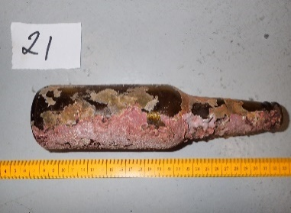
 | 65 | S21 | Bottle | 91 | Glass | Cilindrical | 22.2x 6 cm | 218.4 |  | 2018-04-12 | QL House Reef | N32 44 25 W16 42 35 | N 32 44.424 W 16 42.588 | Mad | 9 | Algae | Lithophyllum incrustans
 |  |  |  |  |  |  |  |  |  |  |  |  |  |  | 9 | Bryozoa | Tubulipora aperta
 |  |  |  |  |  |  |  |  |  |  |  |  |  |  | 9 | Bryozoa | Molia multijunta
 |  |  |  |  |  |  |  |  |  |  |  |  |  |  | 9 | Algae | Titnoderma pustulatum
 |  |  |  |  |  |  |  |  |  |  |  |  |  |  | 9 | Foraminifero | Miniacina miniacea
 |  |  |  |  |  |  |  |  |  |  |  |  |  |  | 9 | Mollusc | Vermetid
 |  |  |  |  |  |  |  |  |  |  |  |  |  |  | 9 | Polychaete | Worm
 |  |  |  |  |  |  |  |  |  |  |  |  |  |  | 9 | Chiton | Lepidopleurus cajetanus
 |  |  |  |  |  |  |  |  |  |  |  |  |  |  | 9 | Spinculida | Phascossoma sp.

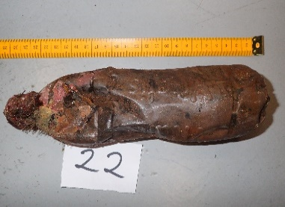
 | 66 | S22 | Botle | 4 | Plastic | Cilindrical | 23x 7 cm | 109.68 |  | 2018-04-12 | QL House Reef | N32 44 25 W16 42 35 | N 32 44.424 W 16 42.588 | Mad | 11 | Bryozoa | Molia multijunta
 |  |  |  |  |  |  |  |  |  |  |  |  |  |  | 11 | Algae | Halopteris scuparia
 |  |  |  |  |  |  |  |  |  |  |  |  |  |  | 11 | Cnidaria | Sertularella gaye
 |  |  |  |  |  |  |  |  |  |  |  |  |  |  | 11 | Algae | Lithophyllum incrustans
 |  |  |  |  |  |  |  |  |  |  |  |  |  |  | 11 | Bryozoa | Tubulipora aperta
 |  |  |  |  |  |  |  |  |  |  |  |  |  |  | 11 | Polychaete | Pomatoceros triqueter
 |  |  |  |  |  |  |  |  |  |  |  |  |  |  | 11 | Algae | Green alga
 |  |  |  |  |  |  |  |  |  |  |  |  |  |  | 11 | Bryozoa | Parasmittina trispinosa
 |  |  |  |  |  |  |  |  |  |  |  |  |  |  | 11 | Bryozoa | Parasmitina multispinata
 |  |  |  |  |  |  |  |  |  |  |  |  |  |  | 11 | Bryozoa | Agloaphenia pluma
 |  |  |  |  |  |  |  |  |  |  |  |  |  |  | 11 | Polychaete | Worm

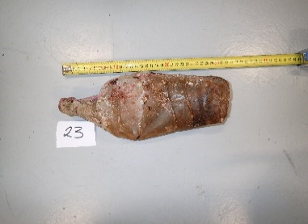
 | 67 | S23 | Plastic bottle | 4 | Plastic | Cilindrical | 30 x 6 | 158.7 |  | 2018-04-12 | QL House Reef | N32 44 25 W16 42 35 | N 32 44.424 W 16 42.588 | Mad | 9 | Algae | Lithophyllum incrustans
 |  |  |  |  |  |  |  |  |  |  |  |  |  |  | 9 | Bryozoa | Tubulipora aperta
 |  |  |  |  |  |  |  |  |  |  |  |  |  |  | 9 | Bryozoa | Molia multijunta
 |  |  |  |  |  |  |  |  |  |  |  |  |  |  | 9 | Polychaete | Pomatoceros triqueter
 |  |  |  |  |  |  |  |  |  |  |  |  |  |  | 9 | Mollusc | Bivalve
 |  |  |  |  |  |  |  |  |  |  |  |  |  |  | 9 | Bryozoa | Scrupocelaria madeirenses
 |  |  |  |  |  |  |  |  |  |  |  |  |  |  | 9 | Tunicate | Unk Tunicate
 |  |  |  |  |  |  |  |  |  |  |  |  |  |  | 9 | Bryozoa | Parasmittina alba
 |  |  |  |  |  |  |  |  |  |  |  |  |  |  | 9 | Polychaete | Protula tubularia

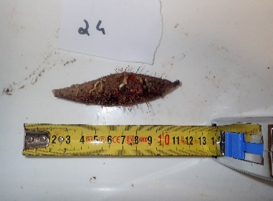
 | 68 | S24 | Boia de pesca | 80 | Plastic | Cilindrical | 10 x2 | 19.59 |  | 2018-04-12 | QL House Reef | N32 44 25 W16 42 35 | N 32 44.424 W 16 42.588 | Mad | 7 | Cnidaria | Sertularella gaye
 |  |  |  |  |  |  |  |  |  |  |  |  |  |  | 7 | Bryozoa | Tubulipora aperta
 |  |  |  |  |  |  |  |  |  |  |  |  |  |  | 7 | Algae | Lithophyllum incrustans
 |  |  |  |  |  |  |  |  |  |  |  |  |  |  | 7 | Polychaete | Pomatoceros triqueter
 |  |  |  |  |  |  |  |  |  |  |  |  |  |  | 7 | Polychaete | Protula tubularia
 |  |  |  |  |  |  |  |  |  |  |  |  |  |  | 7 | Algae | Green filamentous algae
 |  |  |  |  |  |  |  |  |  |  |  |  |  |  | 7 | Algae | Red algae

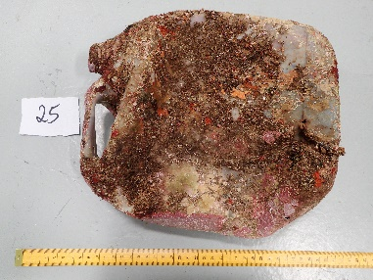
 | 69 | S25 | Container | 10 | Plastic | Rectangular | 27 x 21 x 10 cm | 608.15 |  | 2018-04-12 | QL House Reef | N32 44 25 W16 42 35 | N 32 44.424 W 16 42.588 | Mad | 13 | Polychaete | Spirorbranchus triqueter
 |  |  |  |  |  |  |  |  |  |  |  |  |  |  | 13 | Algae | Lithophyllum incrustans
 |  |  |  |  |  |  |  |  |  |  |  |  |  |  | 13 | Cnidaria | Sertularella gaye
 |  |  |  |  |  |  |  |  |  |  |  |  |  |  | 13 | Sponge | Prosuberites longispina
 |  |  |  |  |  |  |  |  |  |  |  |  |  |  | 13 | Bryozoa | Reptodonella violacea
 |  |  |  |  |  |  |  |  |  |  |  |  |  |  | 13 | Bryozoa | Tubulipora aperta
 |  |  |  |  |  |  |  |  |  |  |  |  |  |  | 13 | Mollusc | Vermetid
 |  |  |  |  |  |  |  |  |  |  |  |  |  |  | 13 | Polychaete | Salmicyna dysteri
 |  |  |  |  |  |  |  |  |  |  |  |  |  |  | 13 | Algae | Dictyota sp.
 |  |  |  |  |  |  |  |  |  |  |  |  |  |  | 13 | Tunicate | Unk tunicate
 |  |  |  |  |  |  |  |  |  |  |  |  |  |  | 13 | Algae | Gelidium
 |  |  |  |  |  |  |  |  |  |  |  |  |  |  | 13 | Algae | Lophocladia sp
 |  |  |  |  |  |  |  |  |  |  |  |  |  |  | 13 | Bryozoa | Escharina vulgaris

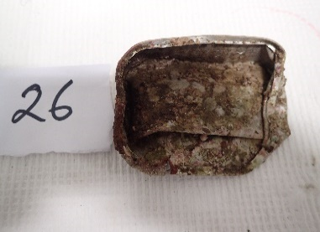
 | 71 | S26 | Lata conserva atum |  | Metal | Rectangular | 10 x 8 x 2.5 | 24.08 |  | 2018-04-12 | QL House Reef | N32 44 25 W16 42 35 | N 32 44.424 W 16 42.588 | Mad | 17 | Bryozoa | Molia multijunta
 |  |  |  |  |  |  |  |  |  |  |  |  |  |  | 17 | Algae | Titnoderma pustulatum
 |  |  |  |  |  |  |  |  |  |  |  |  |  |  | 17 | Foraminifero | Miniacina miniacea
 |  |  |  |  |  |  |  |  |  |  |  |  |  |  | 17 | Chiton | Lepidopleurus cajetanus
 |  |  |  |  |  |  |  |  |  |  |  |  |  |  | 17 | Bryozoa | Unk Bryozoa spines
 |  |  |  |  |  |  |  |  |  |  |  |  |  |  | 17 | Bryozoa | Agloaphenia pluma
 |  |  |  |  |  |  |  |  |  |  |  |  |  |  | 17 | Algae | Lithophyllum incrustans
 |  |  |  |  |  |  |  |  |  |  |  |  |  |  | 17 | Polychaete | Pomatoceros triqueter
 |  |  |  |  |  |  |  |  |  |  |  |  |  |  | 17 | Polychaete | Spirorbranchus triqueter
 |  |  |  |  |  |  |  |  |  |  |  |  |  |  | 17 | Mollusc | Vermetid
 |  |  |  |  |  |  |  |  |  |  |  |  |  |  | 17 | Bryozoa | Membranipora membranacea
 |  |  |  |  |  |  |  |  |  |  |  |  |  |  | 17 | Bryozoa | Schizoporella unicornis
 |  |  |  |  |  |  |  |  |  |  |  |  |  |  | 17 | Crustacea | Amphipods
 |  |  |  |  |  |  |  |  |  |  |  |  |  |  | 17 | Bryozoa | Puelina radiata
 |  |  |  |  |  |  |  |  |  |  |  |  |  |  | 17 | Algae | Pterocladiella capillacea
 |  |  |  |  |  |  |  |  |  |  |  |  |  |  | 17 | Algae | Rivularia
 |  |  |  |  |  |  |  |  |  |  |  |  |  |  | 17 | Algae | Mesophyllum

Becas
F | S | W | Phyllum | F | S | W
Algae | Algae | Algae | Algae | 9 | 16 | 2
Anadyomene stellata | Brown algae | Lithophyllum incrustans | Arthropoda | 9 | 11 | 4
Ceremialis Red algae JCC780 | Dictyota sp. | Ulvacea sp. | Bryozoa | 4 | 31 | 11
Dasycladus vermicularis JCC779 | Enteromorpha sp. | Arthropoda | Cnidaria | 7 | 5 | 4
Enteromorpha sp. | Gelidium | Amphipod sp. | Coral | 1 | 1 | 0
Filamentous algae | Green filamentous algae | Balanus trigonous | Mollusca | 11 | 13 | 2
Green alga Entromorpha JCC776 | Green pine | Lepas anatifera | Polychaeta | 5 | 13 | 4
Lobophora sp. | Halopteris scuparia | Lepas pectinata JCC680 | Sipuncula | 2 | 2 | 0
Red Algae | JCC713 Sara | Bryozoa | Tunicata | 4 | 7 | 0
Ulva | Lithophyllum incrustans | Canopeum reticulum | Echinodermata | 0 | 2 | 0
 | Lophocladia sp | Copidozoum tenuirostris | Foraminifero | 0 | 1 | 0
Arthropoda | Mesophyllum | Crisia sp | Plathylminthes | 0 | 1 | 0
Ammonthella longipes | Polysiphonia sertularoides | Escharella sp. | Porifera | 0 | 8 | 0
Amphipod sp. | Pterocladiella capillacea | Favosipora purporea | Total | 52 | 111 | 27
Balanus trigonous | Red Algae | Hidrozoa sp | NIS | 7 | 11 | 2
Caprella andreae | Rivularia | Mollia multijuncta
Caprella sp. | Titnoderma pustulatum | Puelina sp. | Items | 40 | 14 | 26
Crabs |  | Schizomavella sp.
Hyalidae sp. |  | Schizoporella errata
Lepas anatifera |  | Scruparia ambigua
Planes minutus | Arthropoda | Cnidaria
 | Ammonthella longipes | Cnidaria sp.
Bryozoa | Amphipod sp. | Obelia hyalina
Ciclostomata JCC780 | Amphipods Amphiotoe | Sertularia gayi
Jellyela tuberculata | Amphipods Eriditonius | Ventroma halicioides
Membranipora membranacea | Balanus trigonous | Mollusca
Microtubes | Caprella acanthifera var. discrepans | Doto fructfraga
Cnidaria | Caprella sp. | Mytilus galloprovincialis
Actinia equina | Crabs | Polychaete
Aiptasia diaphana | Eurynome spinosa | Hipponoe gaudichaudi
Cnidaria sp. | Palliolum incomparabile | Spirobis sp.
Cnidaria sp. Like #18 tubes JCC761 | Tanaidaceos | Spirorbranchius triqueter
Ectopleura pharynx | Bryozoa | Vermetid sp.
Obelia hyalina | Agloaphenia pluma
Ventroma halicioides | Barentsia discreta
Coral | Bugula neritina
Coral Hydrozoan Caryophyla sp. | Celleporaria cf inaudita
Mollusca | Chiorizopora rosaria/ brongniarti??
Bittium latrelli | Ciclostomata sp.
Bivalve sp volandeiraJCC762 | Copidozoum tenuirostris
Crasostreas gigasJ CC756 | Crassimarginata maderensis
Fiona pinnata | Cyclostomata sp.
Mytilus galloprovincialis | Escharina vulgaris
Mytulis edulis JCC777 | Escharoides coccinea
Neopycnodonte cochlear | Favosipora purporea
 | Hippoporidra sp.
Pinctata imbricata radiata | Jellyela tuberculata
Pinna rudis | Membranipora membranacea
Stramonita haemostoma | Mollia multijuncta
White round oyster JCC758 | Parasmitina multispinata
Polychaete | Parasmittina alba
Amphinome rostrata
Hipponoe gaudichaudi | Parasmittina multiaviculata
Nereid sp. | Parasmittina trispinosa
 | Puelina radiata
Pomatoceros triqueter | Puelina sp.
Spirorbranchius triqueter
Sipuncula | Reptadeonella violacea
Phascossoma granulatumJ CC759 | Schizomavella sp.
Phascossoma stenphensoni | Schizoporella
Tunicata | Schizoporella errata
Diplossoma listerianum | Schizoporella unicornis
Seriola fasciata | Scrupocaberea sp.
Seriola rivoliana | Scrupocelaria madeirenses
Styela sp | Tubulipora aperta
(blank) | Unk Bryozoa
Caprella sp.
Unk JCC 773 | Cnidaria
Unk JCC 774 | Balanus trigonous
 | Cnidaria sp.
 | Penaria disticha
 | Sertularia gayi
 | Ventroma halicioides
 | Coral
 | Coral Hydrozoan Caryophyla sp.
 | Echinodermata
 | Arbaxia lixula
 | Ofiuro
 | Foraminifero
 | Miniacina miniacea

 | Mollusca
 | Bittium incile
 | Bittium latrelli
 | Bivalve
 | Calliostoma sp.
 | Crassadoma multistriata (Poli, 1795)
 | Crisilla iunoniae
 | Emarginula paivana
 | Lepidopleurus cajetanus
 | Ocinebrina edwardsii (Payraudeau, 1826)
 | Odostomia sp
 | Parvicardium vroomi
 | Vermetid sp.
 | Vieira
 | Plathylminthes
 | Planaria
 | Polychaete
 | Amage adspersa
 | Hermodice caranculata
 | Nereid sp.
 | Pomatoceros triqueter
 | Protula tubularia
 | Sabellidae
 | Salmicina dysteri
 | Serpula vermicularis
 | Spirobis sp.
 | Spirorbranchius triqueter
 | Ventroma halicioides
 | Vermetid sp.
 | Worm
 | Porifera
 | JCC714
 | Mycale senegalensis
 | Mycale senegalensis Orange
 | Mycale senegalensis red
 | Mycale senegalensis Yellow
 | Prosuberites longispina
 | Sponge JCC712
 | Sycon sp
 | Sipuncula
 | Phascossoma sp.
 | Phascossoma stenphensoni
 | Tunicata
 | Botrilloides nigrum
 | Clavelina lepadiformis
 | Diplossoma listerianum
 | Distaplia corolla
 | Styela clava
 | Trididemnum cereum
 | Unk Tunicate

